EF Hub
Emission Factors for Greenhouse Gas Inventories
 |  |  |  | Last Modified: 26 March 2020
 | Red text indicates an update from the 2018 version of this document.
 | Typically, greenhouse gas emissions are reported in units of carbon dioxide equivalent (CO2e). Gases are converted to CO2e by multiplying by their global warming potential (GWP). The emission factors listed in this document have not been converted to CO2e. To do so, multiply the emissions by the corresponding GWP listed in the table below.

 |  | Gas | 100-Year GWP
 |  | CH4 | 25
 |  | N2O | 298
 |  | Source: Intergovernmental Panel on Climate Change (IPCC), Fourth Assessment Report (AR4), 2007. See the source note to Table 11 for further explanation.

Table 1 | Stationary Combustion

 | Fuel Type | Heat Content (HHV) | CO2 Factor | CH4 Factor | N2O Factor | CO2 Factor | CH4 Factor | N2O Factor
 |  | mmBtu per short ton | kg CO2 per mmBtu | g CH4 per mmBtu | g N2O per mmBtu | kg CO2 per short ton | g CH4 per short ton | g N2O per short ton
 | Coal and Coke
 | Anthracite Coal | 25.09 | 103.69 | 11 | 1.6 | 2,602 | 276 | 40
 | Bituminous Coal | 24.93 | 93.28 | 11 | 1.6 | 2,325 | 274 | 40
 | Sub-bituminous Coal | 17.25 | 97.17 | 11 | 1.6 | 1,676 | 190 | 28
 | Lignite Coal | 14.21 | 97.72 | 11 | 1.6 | 1,389 | 156 | 23
 | Mixed (Commercial Sector) | 21.39 | 94.27 | 11 | 1.6 | 2,016 | 235 | 34
 | Mixed (Electric Power Sector) | 19.73 | 95.52 | 11 | 1.6 | 1,885 | 217 | 32
 | Mixed (Industrial Coking) | 26.28 | 93.90 | 11 | 1.6 | 2,468 | 289 | 42
 | Mixed (Industrial Sector) | 22.35 | 94.67 | 11 | 1.6 | 2,116 | 246 | 36
 | Coal Coke | 24.80 | 113.67 | 11 | 1.6 | 2,819 | 273 | 40
 | Other Fuels - Solid
 | Municipal Solid Waste | 9.95 | 90.70 | 32 | 4.2 | 902 | 318 | 42
 | Petroleum Coke (Solid) | 30.00 | 102.41 | 32 | 4.2 | 3,072 | 960 | 126
 | Plastics | 38.00 | 75.00 | 32 | 4.2 | 2,850 | 1,216 | 160
 | Tires | 28.00 | 85.97 | 32 | 4.2 | 2,407 | 896 | 118
 | Biomass Fuels - Solid
 | Agricultural Byproducts | 8.25 | 118.17 | 32 | 4.2 | 975 | 264 | 35
 | Peat | 8.00 | 111.84 | 32 | 4.2 | 895 | 256 | 34
 | Solid Byproducts | 10.39 | 105.51 | 32 | 4.2 | 1,096 | 332 | 44
 | Wood and Wood Residuals | 17.48 | 93.80 | 7.2 | 3.6 | 1,640 | 126 | 63
 |  | mmBtu per scf | kg CO2 per mmBtu | g CH4 per mmBtu | g N2O per mmBtu | kg CO2 per scf | g CH4 per scf | g N2O per scf
 | Natural Gas
 | Natural Gas | 0.001026 | 53.06 | 1.0 | 0.10 | 0.05444 | 0.00103 | 0.00010
 | Other Fuels - Gaseous
 | Blast Furnace Gas | 0.000092 | 274.32 | 0.022 | 0.10 | 0.02524 | 0.000002 | 0.000009
 | Coke Oven Gas | 0.000599 | 46.85 | 0.48 | 0.10 | 0.02806 | 0.000288 | 0.000060
 | Fuel Gas | 0.001388 | 59.00 | 3.0 | 0.60 | 0.08189 | 0.004164 | 0.000833
 | Propane Gas | 0.002516 | 61.46 | 3.0 | 0.60 | 0.15463 | 0.007548 | 0.001510
 | Biomass Fuels - Gaseous
 | Landfill Gas | 0.000485 | 52.07 | 3.2 | 0.63 | 0.025254 | 0.001552 | 0.000306
 | Other Biomass Gases | 0.000655 | 52.07 | 3.2 | 0.63 | 0.034106 | 0.002096 | 0.000413
 |  | mmBtu per gallon | kg CO2 per mmBtu | g CH4 per mmBtu | g N2O per mmBtu | kg CO2 per gallon | g CH4 per gallon | g N2O per gallon
 | Petroleum Products
 | Asphalt and Road Oil | 0.158 | 75.36 | 3.0 | 0.60 | 11.91 | 0.47 | 0.09
 | Aviation Gasoline | 0.120 | 69.25 | 3.0 | 0.60 | 8.31 | 0.36 | 0.07
 | Butane | 0.103 | 64.77 | 3.0 | 0.60 | 6.67 | 0.31 | 0.06
 | Butylene | 0.105 | 68.72 | 3.0 | 0.60 | 7.22 | 0.32 | 0.06
 | Crude Oil | 0.138 | 74.54 | 3.0 | 0.60 | 10.29 | 0.41 | 0.08
 | Distillate Fuel Oil No. 1 | 0.139 | 73.25 | 3.0 | 0.60 | 10.18 | 0.42 | 0.08
 | Distillate Fuel Oil No. 2 | 0.138 | 73.96 | 3.0 | 0.60 | 10.21 | 0.41 | 0.08
 | Distillate Fuel Oil No. 4 | 0.146 | 75.04 | 3.0 | 0.60 | 10.96 | 0.44 | 0.09
 | Ethane | 0.068 | 59.60 | 3.0 | 0.60 | 4.05 | 0.20 | 0.04
 | Ethylene | 0.058 | 65.96 | 3.0 | 0.60 | 3.83 | 0.17 | 0.03
 | Heavy Gas Oils | 0.148 | 74.92 | 3.0 | 0.60 | 11.09 | 0.44 | 0.09
 | Isobutane | 0.099 | 64.94 | 3.0 | 0.60 | 6.43 | 0.30 | 0.06
 | Isobutylene | 0.103 | 68.86 | 3.0 | 0.60 | 7.09 | 0.31 | 0.06
 | Kerosene | 0.135 | 75.20 | 3.0 | 0.60 | 10.15 | 0.41 | 0.08
 | Kerosene-Type Jet Fuel | 0.135 | 72.22 | 3.0 | 0.60 | 9.75 | 0.41 | 0.08
 | Liquefied Petroleum Gases (LPG) | 0.092 | 61.71 | 3.0 | 0.60 | 5.68 | 0.28 | 0.06
 | Lubricants | 0.144 | 74.27 | 3.0 | 0.60 | 10.69 | 0.43 | 0.09
 | Motor Gasoline | 0.125 | 70.22 | 3.0 | 0.60 | 8.78 | 0.38 | 0.08
 | Naphtha (<401 deg F) | 0.125 | 68.02 | 3.0 | 0.60 | 8.50 | 0.38 | 0.08
 | Natural Gasoline | 0.110 | 66.88 | 3.0 | 0.60 | 7.36 | 0.33 | 0.07
 | Other Oil (>401 deg F) | 0.139 | 76.22 | 3.0 | 0.60 | 10.59 | 0.42 | 0.08
 | Pentanes Plus | 0.110 | 70.02 | 3.0 | 0.60 | 7.70 | 0.33 | 0.07
 | Petrochemical Feedstocks | 0.125 | 71.02 | 3.0 | 0.60 | 8.88 | 0.38 | 0.08
 | Petroleum Coke | 0.143 | 102.41 | 3.0 | 0.60 | 14.64 | 0.43 | 0.09
 | Propane | 0.091 | 62.87 | 3.0 | 0.60 | 5.72 | 0.27 | 0.05
 | Propylene | 0.091 | 67.77 | 3.0 | 0.60 | 6.17 | 0.27 | 0.05
 | Residual Fuel Oil No. 5 | 0.140 | 72.93 | 3.0 | 0.60 | 10.21 | 0.42 | 0.08
 | Residual Fuel Oil No. 6 | 0.150 | 75.10 | 3.0 | 0.60 | 11.27 | 0.45 | 0.09
 | Special Naphtha | 0.125 | 72.34 | 3.0 | 0.60 | 9.04 | 0.38 | 0.08
 | Unfinished Oils | 0.139 | 74.54 | 3.0 | 0.60 | 10.36 | 0.42 | 0.08
 | Used Oil | 0.138 | 74.00 | 3.0 | 0.60 | 10.21 | 0.41 | 0.08
 | Biomass Fuels - Liquid
 | Biodiesel (100%) | 0.128 | 73.84 | 1.1 | 0.11 | 9.45 | 0.14 | 0.01
 | Ethanol (100%) | 0.084 | 68.44 | 1.1 | 0.11 | 5.75 | 0.09 | 0.01
 | Rendered Animal Fat | 0.125 | 71.06 | 1.1 | 0.11 | 8.88 | 0.14 | 0.01
 | Vegetable Oil | 0.120 | 81.55 | 1.1 | 0.11 | 9.79 | 0.13 | 0.01
 | Biomass Fuels - Kraft Pulping Liquor, by Wood Furnish
 | North American Softwood |  | 94.4 | 1.9 | 0.42
 | North American Hardwood |  | 93.7 | 1.9 | 0.42
 | Bagasse |  | 95.5 | 1.9 | 0.42
 | Bamboo |  | 93.7 | 1.9 | 0.42
 | Straw |  | 95.1 | 1.9 | 0.42
 | Source:
 | Federal Register EPA; 40 CFR Part 98; e-CFR, June 13, 2017 (see link below). Table C-1, Table C-2, Table AA-1.
 | https://www.ecfr.gov/cgi-bin/text-idx?SID=ae265d7d6f98ec86fcd8640b9793a3f6&mc=true&node=pt40.23.98&rgn=div5#ap40.23.98_19.1
 | Note: Emission factors are per unit of heat content using higher heating values (HHV). If heat content is available from the fuel supplier, it is preferable to use that value. If not, default heat contents are provided.

Table 2 | Mobile Combustion CO2

 | Fuel Type | kg CO2 per unit | Unit
 | Aviation Gasoline | 8.31 | gallon
 | Biodiesel (100%) | 9.45 | gallon
 | Compressed Natural Gas (CNG) | 0.05444 | scf
 | Diesel Fuel | 10.21 | gallon
 | Ethanol (100%) | 5.75 | gallon
 | Kerosene-Type Jet Fuel | 9.75 | gallon
 | Liquefied Natural Gas (LNG) | 4.50 | gallon
 | Liquefied Petroleum Gases (LPG) | 5.68 | gallon
 | Motor Gasoline | 8.78 | gallon
 | Residual Fuel Oil | 11.27 | gallon
 | Source:
 | Federal Register EPA; 40 CFR Part 98; e-CFR, June 13, 2017 (see link below). Table C-1.
 | https://www.ecfr.gov/cgi-bin/text-idx?SID=ae265d7d6f98ec86fcd8640b9793a3f6&mc=true&node=pt40.23.98&rgn=div5#ap40.23.98_19.1
 | LNG: The factor was developed based on the CO2 factor for Natural Gas factor and LNG fuel density from GREET1_2017.xlsx Model, Argonne National Laboratory. This represents a methodology change from previous versions.

Table 3 | Mobile Combustion CH4 and N2O for On-Road Gasoline Vehicles

 | Vehicle Type | Year | CH4 Factor (g / mile) | N2O Factor (g / mile)
 | Gasoline Passenger Cars | 1973-74 | 0.1696 | 0.0197
 |  | 1975 | 0.1423 | 0.0443
 |  | 1976-77 | 0.1406 | 0.0458
 |  | 1978-79 | 0.1389 | 0.0473
 |  | 1980 | 0.1326 | 0.0499
 |  | 1981 | 0.0802 | 0.0626
 |  | 1982 | 0.0795 | 0.0627
 |  | 1983 | 0.0782 | 0.0630
 |  | 1984-93 | 0.0704 | 0.0647
 |  | 1994 | 0.0617 | 0.0603
 |  | 1995 | 0.0531 | 0.0560
 |  | 1996 | 0.0434 | 0.0503
 |  | 1997 | 0.0337 | 0.0446
 |  | 1998 | 0.0240 | 0.0389
 |  | 1999 | 0.0215 | 0.0355
 |  | 2000 | 0.0175 | 0.0304
 |  | 2001 | 0.0105 | 0.0212
 |  | 2002 | 0.0102 | 0.0207
 |  | 2003 | 0.0095 | 0.0181
 |  | 2004 | 0.0078 | 0.0085
 |  | 2005 | 0.0075 | 0.0067
 |  | 2006 | 0.0076 | 0.0075
 |  | 2007 | 0.0072 | 0.0052
 |  | 2008 | 0.0072 | 0.0049
 |  | 2009 | 0.0071 | 0.0046
 |  | 2010 | 0.0071 | 0.0046
 |  | 2011 | 0.0071 | 0.0046
 |  | 2012 | 0.0071 | 0.0046
 |  | 2013 | 0.0071 | 0.0046
 |  | 2014 | 0.0071 | 0.0046
 |  | 2015 | 0.0068 | 0.0042
 |  | 2016 | 0.0065 | 0.0038
 |  | 2017 | 0.0054 | 0.0018
 |  | 2018 | 0.0052 | 0.0016
 | Gasoline Light-Duty Trucks | 1973-74 | 0.1908 | 0.0218
 | (Vans, Pickup Trucks, SUVs) | 1975 | 0.1634 | 0.0513
 |  | 1976 | 0.1594 | 0.0555
 |  | 1977-78 | 0.1614 | 0.0534
 |  | 1979-80 | 0.1594 | 0.0555
 |  | 1981 | 0.1479 | 0.0660
 |  | 1982 | 0.1442 | 0.0681
 |  | 1983 | 0.1368 | 0.0722
 |  | 1984 | 0.1294 | 0.0764
 |  | 1985 | 0.1220 | 0.0806
 |  | 1986 | 0.1146 | 0.0848
 |  | 1987-93 | 0.0813 | 0.1035
 |  | 1994 | 0.0646 | 0.0982
 |  | 1995 | 0.0517 | 0.0908
 |  | 1996 | 0.0452 | 0.0871
 |  | 1997 | 0.0452 | 0.0871
 |  | 1998 | 0.0412 | 0.0787
 |  | 1999 | 0.0333 | 0.0618
 |  | 2000 | 0.0340 | 0.0631
 |  | 2001 | 0.0221 | 0.0379
 |  | 2002 | 0.0242 | 0.0424
 |  | 2003 | 0.0221 | 0.0373
 |  | 2004 | 0.0115 | 0.0088
 |  | 2005 | 0.0105 | 0.0064
 |  | 2006 | 0.0108 | 0.0080
 |  | 2007 | 0.0103 | 0.0061
 |  | 2008 | 0.0095 | 0.0036
 |  | 2009 | 0.0095 | 0.0036
 |  | 2010 | 0.0095 | 0.0035
 |  | 2011 | 0.0096 | 0.0034
 |  | 2012 | 0.0096 | 0.0033
 |  | 2013 | 0.0095 | 0.0035
 |  | 2014 | 0.0095 | 0.0033
 |  | 2015 | 0.0094 | 0.0031
 |  | 2016 | 0.0091 | 0.0029
 |  | 2017 | 0.0084 | 0.0018
 |  | 2018 | 0.0081 | 0.0015
 | Gasoline Heavy-Duty Vehicles | <1981 | 0.4604 | 0.0497
 |  | 1982-84 | 0.4492 | 0.0538
 |  | 1985-86 | 0.4090 | 0.0515
 |  | 1987 | 0.3675 | 0.0849
 |  | 1988-1989 | 0.3492 | 0.0933
 |  | 1990-1995 | 0.3246 | 0.1142
 |  | 1996 | 0.1278 | 0.1680
 |  | 1997 | 0.0924 | 0.1726
 |  | 1998 | 0.0655 | 0.1750
 |  | 1999 | 0.0648 | 0.1724
 |  | 2000 | 0.0630 | 0.1660
 |  | 2001 | 0.0577 | 0.1468
 |  | 2002 | 0.0634 | 0.1673
 |  | 2003 | 0.0602 | 0.1553
 |  | 2004 | 0.0298 | 0.0164
 |  | 2005 | 0.0297 | 0.0083
 |  | 2006 | 0.0299 | 0.0241
 |  | 2007 | 0.0322 | 0.0015
 |  | 2008 | 0.0340 | 0.0015
 |  | 2009 | 0.0339 | 0.0015
 |  | 2010 | 0.0320 | 0.0015
 |  | 2011 | 0.0304 | 0.0015
 |  | 2012 | 0.0313 | 0.0015
 |  | 2013 | 0.0313 | 0.0015
 |  | 2014 | 0.0315 | 0.0015
 |  | 2015 | 0.0332 | 0.0021
 |  | 2016 | 0.0321 | 0.0061
 |  | 2017 | 0.0329 | 0.0084
 |  | 2018 | 0.0326 | 0.0082
 | Gasoline Motorcycles | 1960-1995 | 0.0899 | 0.0087
 |  | 1996-2018 | 0.0672 | 0.0069
 | Source: EPA (2020) Inventory of U.S. Greenhouse Gas Emissions and Sinks: 1990-2018. All values are calculated from Tables A-107 through A-111.

Table 4 | Mobile Combustion CH4 and N2O for On-Road Diesel and Alternative Fuel Vehicles

 | Vehicle Type | Fuel Type | Vehicle Year | CH4 Factor (g / mile) | N2O Factor (g / mile)
 | Passenger Cars | Diesel | 1960-1982 | 0.0006 | 0.0012
 |  |  | 1983-1995 | 0.0005 | 0.0010
 |  |  | 1996-2006 | 0.0005 | 0.0010
 |  |  | 2007-2018 | 0.0302 | 0.0192
 | Light-Duty Trucks | Diesel | 1960-1982 | 0.0011 | 0.0017
 |  |  | 1983-1995 | 0.0009 | 0.0014
 |  |  | 1996-2006 | 0.0010 | 0.0015
 |  |  | 2007-2018 | 0.0290 | 0.0214
 | Medium- and Heavy-Duty Vehicles | Diesel | 1960-2006 | 0.0051 | 0.0048
 |  |  | 2007-2018 | 0.0095 | 0.0431
 | Light-Duty Cars | Methanol |  | 0.0080 | 0.0060
 |  | Ethanol |  | 0.0080 | 0.0060
 |  | CNG |  | 0.0820 | 0.0060
 |  | LPG |  | 0.0080 | 0.0060
 |  | Biodiesel |  | 0.0300 | 0.0190
 | Light-Duty Trucks | Ethanol |  | 0.0120 | 0.0110
 |  | CNG |  | 0.1230 | 0.0110
 |  | LPG |  | 0.0120 | 0.0130
 |  | LNG |  | 0.1230 | 0.0110
 |  | Biodiesel |  | 0.0290 | 0.0210
 | Medium-Duty Trucks | CNG |  | 4.2000 | 0.0010
 |  | LPG |  | 0.0140 | 0.0340
 |  | LNG |  | 4.2000 | 0.0430
 |  | Biodiesel |  | 0.0090 | 0.0010
 | Heavy-Duty Trucks | Methanol |  | 0.0750 | 0.0280
 |  | Ethanol |  | 0.0750 | 0.0280
 |  | CNG |  | 3.7000 | 0.0010
 |  | LPG |  | 0.0130 | 0.0260
 |  | LNG |  | 3.7000 | 0.0010
 |  | Biodiesel |  | 0.0090 | 0.0430
 | Buses | Methanol |  | 0.0220 | 0.0320
 |  | Ethanol |  | 0.0220 | 0.0320
 |  | CNG |  | 10.0000 | 0.0010
 |  | LPG |  | 0.0340 | 0.0170
 |  | LNG |  | 10.0000 | 0.0010
 |  | Biodiesel |  | 0.0090 | 0.0430
 | Source: EPA (2020) Inventory of U.S. Greenhouse Gas Emissions and Sinks: 1990-2018. All values are calculated from Tables A-110 through A-113.

Table 5 | Mobile Combustion CH4 and N2O for Non-Road Vehicles

 | Vehicle Type | Fuel Type | CH4 Factor (g / gallon) | N2O Factor (g / gallon)
 | Ships and Boats | Residual Fuel Oil | 0.55 | 0.55
 |  | Gasoline (2 stroke) | 9.54 | 0.06
 |  | Gasoline (4 stroke) | 4.88 | 0.23
 |  | Diesel | 0.31 | 0.50
 | Locomotives | Diesel | 0.80 | 0.26
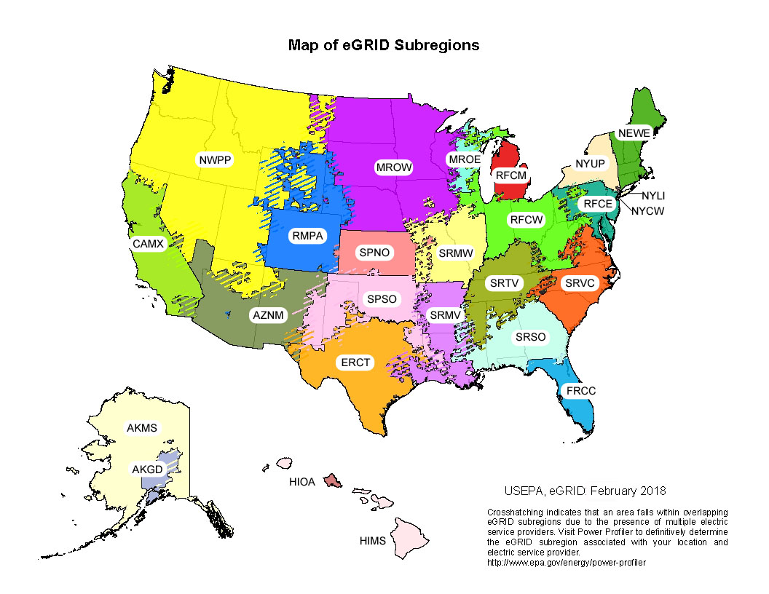
 | Aircraft | Jet Fuel | 0 | 0.30
 |  | Aviation Gasoline | 7.06 | 0.11
 | Agricultural EquipmentA | Gasoline (2 stroke) | 12.96 | 0.06
 |  | Gasoline (4 stroke) | 7.24 | 0.21
 |  | Diesel | 0.28 | 0.49
 |  | LPG | 2.19 | 0.39
 | Agricultural Offroad Trucks | Gasoline | 7.24 | 0.21
 |  | Diesel | 0.13 | 0.49
 | Construction/Mining EquipmentB | Gasoline (2 stroke) | 12.42 | 0.07
 |  | Gasoline (4 stroke) | 5.58 | 0.20
 |  | Diesel | 0.20 | 0.47
 |  | LPG | 1.05 | 0.41
 | Construction/Mining Offroad Trucks | Gasoline | 5.58 | 0.20
 |  | Diesel | 0.13 | 0.49
 | Lawn and Garden Equipment | Gasoline (2 stroke) | 15.57 | 0.06
 |  | Gasoline (4 stroke) | 5.84 | 0.18
 |  | Diesel | 0.33 | 0.47
 |  | LPG | 0.35 | 0.41
 | Airport Equipment | Gasoline | 2.58 | 0.25
 |  | Diesel | 0.17 | 0.49
 |  | LPG | 0.33 | 0.41
 | Industrial/Commercial Equipment | Gasoline (2 stroke) | 15.14 | 0.06
 |  | Gasoline (4 stroke) | 5.48 | 0.20
 |  | Diesel | 0.23 | 0.47
 |  | LPG | 0.44 | 0.41
 | Logging Equipment | Gasoline (2 stroke) | 12.03 | 0.08
 |  | Gasoline (4 stroke) | 6.71 | 0.18
 |  | Diesel | 0.10 | 0.49
 | Railroad Equipment | Gasoline | 5.78 | 0.19
 |  | Diesel | 0.44 | 0.42
 |  | LPG | 1.20 | 0.41
 | Recreational Equipment | Gasoline (2 stroke) | 7.81 | 0.03
 |  | Gasoline (4 stroke) | 8.45 | 0.19
 |  | Diesel | 0.41 | 0.41
 |  | LPG | 2.98 | 0.38
 | Source: EPA (2020) Inventory of U.S. Greenhouse Gas Emissions and Sinks: 1990-2018. All values are calculated from Tables A-114 through A-115.
 | Notes: A Includes equipment, such as tractors and combines, as well as fuel consumption from trucks that are used off-road in agriculture. B Includes equipment, such as cranes, dumpers, and excavators, as well as fuel consumption from trucks that are used off-road in construction.

Table 6 | Electricity

 |  | Total Output Emission Factors |  |  | Non-Baseload Emission Factors
 | eGRID Subregion | CO2 Factor | CH4 Factor | N2O Factor | CO2 Factor | CH4 Factor | N2O Factor
 |  | (lb / MWh) | (lb / MWh) | (lb / MWh) | (lb / MWh) | (lb / MWh) | (lb / MWh)
 | AKGD (ASCC Alaska Grid) | 1,039.6 | 0.082 | 0.011 | 1,262.5 | 0.110 | 0.015
 | AKMS (ASCC Miscellaneous) | 525.1 | 0.024 | 0.004 | 1,528.3 | 0.068 | 0.012
 | AZNM (WECC Southwest) | 1,022.4 | 0.077 | 0.011 | 1,435.3 | 0.097 | 0.014
 | CAMX (WECC California) | 496.5 | 0.034 | 0.004 | 929.5 | 0.047 | 0.006
 | ERCT (ERCOT All) | 931.7 | 0.066 | 0.009 | 1,261.0 | 0.083 | 0.012
 | FRCC (FRCC All) | 931.8 | 0.066 | 0.009 | 1,123.9 | 0.068 | 0.009
 | HIMS (HICC Miscellaneous) | 1,110.7 | 0.118 | 0.018 | 1,535.7 | 0.139 | 0.022
 | HIOA (HICC Oahu) | 1,669.9 | 0.180 | 0.027 | 1,682.1 | 0.159 | 0.025
 | MROE (MRO East) | 1,678.0 | 0.169 | 0.025 | 1,634.3 | 0.149 | 0.022
 | MROW (MRO West) | 1,239.8 | 0.138 | 0.020 | 1,764.3 | 0.192 | 0.027
 | NEWE (NPCC New England) | 522.3 | 0.082 | 0.011 | 931.0 | 0.086 | 0.011
 | NWPP (WECC Northwest) | 639.0 | 0.064 | 0.009 | 1,575.1 | 0.148 | 0.021
 | NYCW (NPCC NYC/Westchester) | 596.4 | 0.022 | 0.003 | 1,067.6 | 0.022 | 0.002
 | NYLI (NPCC Long Island) | 1,184.2 | 0.139 | 0.018 | 1,320.3 | 0.040 | 0.005
 | NYUP (NPCC Upstate NY) | 253.1 | 0.018 | 0.002 | 931.5 | 0.043 | 0.005
 | RFCE (RFC East) | 716.0 | 0.061 | 0.008 | 1,242.6 | 0.091 | 0.013
 | RFCM (RFC Michigan) | 1,312.6 | 0.129 | 0.018 | 1,748.9 | 0.171 | 0.024
 | RFCW (RFC West) | 1,166.1 | 0.117 | 0.017 | 1,828.3 | 0.179 | 0.026
 | RMPA (WECC Rockies) | 1,273.6 | 0.123 | 0.018 | 1,542.6 | 0.120 | 0.017
 | SPNO (SPP North) | 1,163.2 | 0.124 | 0.018 | 1,945.5 | 0.201 | 0.029
 | SPSO (SPP South) | 1,166.6 | 0.091 | 0.013 | 1,603.5 | 0.118 | 0.017
 | SRMV (SERC Mississippi Valley) | 854.6 | 0.055 | 0.008 | 1,137.6 | 0.069 | 0.010
 | SRMW (SERC Midwest) | 1,664.2 | 0.185 | 0.027 | 1,907.0 | 0.204 | 0.030
 | SRSO (SERC South) | 1,027.9 | 0.081 | 0.012 | 1,413.7 | 0.107 | 0.015
 | SRTV (SERC Tennessee Valley) | 1,031.5 | 0.097 | 0.014 | 1,644.3 | 0.149 | 0.021
 | SRVC (SERC Virginia/Carolina) | 743.3 | 0.067 | 0.009 | 1,422.6 | 0.128 | 0.018
 | US Average | 947.2 | 0.085 | 0.012 | 1,432.3 | 0.117 | 0.017
 | Source: EPA eGRID2018, March 2020
 | Note: Total output emission factors can be used as default factors for estimating GHG emissions from electricity use when developing a carbon footprint or emissions inventory. Annual non-baseload output emission factors should not be used for those purposes, but can be used to estimate GHG emissions reductions from reductions in electricity use.

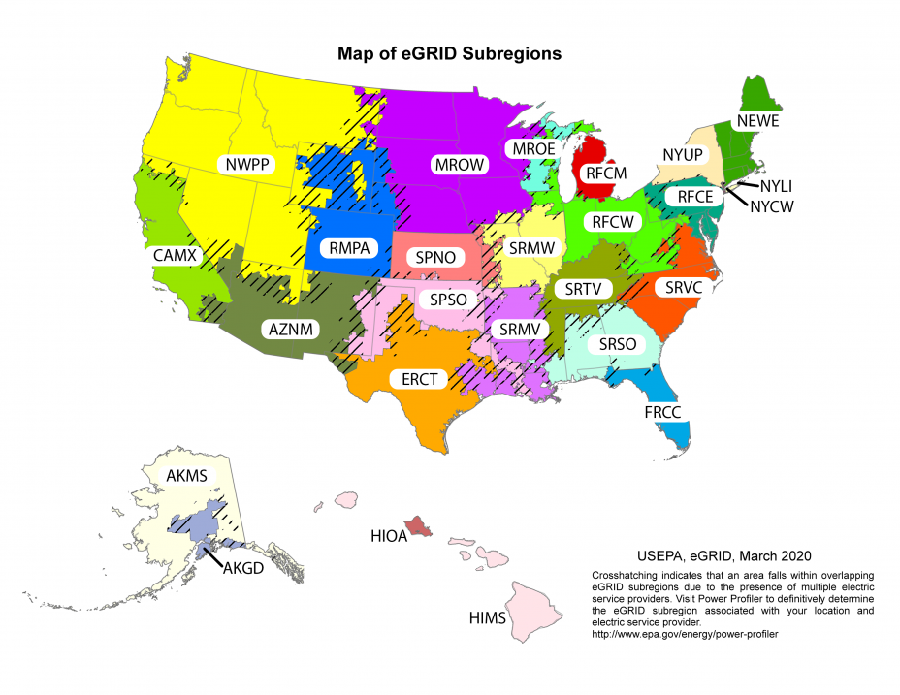

Table 7 | Steam and Heat

 |  | CO2 Factor (kg / mmBtu) | CH4 Factor (g / mmBtu) | N2O Factor (g / mmBtu)
 | Steam and Heat | 66.33 | 1.250 | 0.125
 | Note: Emission factors are per mmBtu of steam or heat purchased. These factors assume natural gas fuel is used to generate steam or heat at 80 percent thermal efficiency.

Scope 3 Emission Factors
Scope 3 emission factors provided below are aligned with the Greenhouse Gas Protocol Technical Guidance for Calculating Scope 3 Emissions, version 1.0 (Scope 3 Calculation Guidance). Where applicable, the specific calculation method is referenced. Refer to the Scope 3 Calculation Guidance for more information (http://www.ghgprotocol.org/scope-3-technical-calculation-guidance).

Table 8 | Scope 3 Category 4: Upstream Transportation and Distribution and Category 9: Downstream Transportation and Distribution
 | These factors are intended for use in the distance-based method defined in the Scope 3 Calculation Guidance. If fuel data are available, then the fuel-based method should be used, with factors from Tables 2 through 5.
 | Vehicle Type | CO2 Factor (kg / unit) | CH4 Factor (g / unit) | N2O Factor (g / unit) | Units
 | Medium- and Heavy-Duty Truck | 1.387 | 0.013 | 0.033 | vehicle-mile
 | Passenger Car A | 0.335 | 0.009 | 0.008 | vehicle-mile
 | Light-Duty Truck B | 0.461 | 0.012 | 0.010 | vehicle-mile
 | Medium- and Heavy-Duty Truck | 0.207 | 0.0020 | 0.0046 | ton-mile
 | Rail | 0.021 | 0.0017 | 0.0005 | ton-mile
 | Waterborne CraftC | 0.040 | 0.0122 | 0.0017 | ton-mile
 | Aircraft | 1.265 | 0 | 0.0389 | ton-mile
 | Source: CO2, CH4, and N2O emissions data for road vehicles are from Table 2-13 of the U.S. Greenhouse Gas Emissions and Sinks: 1990–2018 (Feb. 2020). Vehicle-miles and passenger-miles data for road vehicles are from Table VM-1 of the Federal Highway Administration Highway Statistics 2018. CO2e emissions data for non-road vehicles are based on Table A-124 of the U.S. Greenhouse Gas Emissions and Sinks: 1990–2018, which are distributed into CO2, CH4, and N2O emissions based on fuel/vehicle emission factors. Freight ton-mile data for non-road vehicles are from Table 1-50 of the Bureau of Transportation Statistics, National Transportation Statistics for 2019 (Data based on 2017).
 | Notes: Vehicle-mile factors are appropriate to use when the entire vehicle is dedicated to transporting the reporting company's product. Ton-mile factors are appropriate when the vehicle is shared with products from other companies. A Passenger car: includes passenger cars, minivans, SUVs, and small pickup trucks (vehicles with wheelbase less than 121 inches). B Light-duty truck: includes full-size pickup trucks, full-size vans, and extended-length SUVs (vehicles with wheelbase greater than 121 inches). C Waterborne Craft: updates due to a methodology change.

Table 9 | Scope 3 Category 5: Waste Generated in Operations and Category 12: End-of-Life Treatment of Sold Products
New Table | These factors are intended for use in the waste-type-specific method or the average-data method defined in the Scope 3 Calculation Guidance for category 5 and category 12. Choose the appropriate material and disposal method from the table below. For the average-data method, use one of the mixed material types, such as mixed MSW.
 |  | Metric Tons CO2e / Short Ton Material
 | Material | RecycledA | LandfilledB | CombustedC | CompostedD | Anaerobically Digested (Dry Digestate with Curing) | Anaerobically Digested (Wet Digestate with Curing)
 | Aluminum Cans | 0.06 | 0.02 | 0.01 | NA | NA | NA
 | Aluminum Ingot | 0.04 | 0.02 | 0.01 | NA | NA | NA
 | Steel Cans | 0.32 | 0.02 | 0.01 | NA | NA | NA
 | Copper Wire | 0.18 | 0.02 | 0.01 | NA | NA | NA
 | Glass | 0.05 | 0.02 | 0.01 | NA | NA | NA
 | HDPE | 0.21 | 0.02 | 2.80 | NA | NA | NA
 | LDPE | NA | 0.02 | 2.80 | NA | NA | NA
 | PET | 0.23 | 0.02 | 2.05 | NA | NA | NA
 | LLDPE | NA | 0.02 | 2.80 | NA | NA | NA
 | PP | NA | 0.02 | 2.80 | NA | NA | NA
 | PS | NA | 0.02 | 3.02 | NA | NA | NA
 | PVC | NA | 0.02 | 1.26 | NA | NA | NA
 | PLA | NA | 0.02 | 0.01 | 0.09 | NA | NA
 | Corrugated Containers | 0.11 | 1.07 | 0.05 | NA | NA | NA
 | Magazines/Third-class mail | 0.02 | 0.50 | 0.05 | NA | NA | NA
 | Newspaper | 0.02 | 0.42 | 0.05 | NA | NA | NA
 | Office Paper | 0.02 | 1.52 | 0.05 | NA | NA | NA
 | Phonebooks | 0.04 | 0.42 | 0.05 | NA | NA | NA
 | Textbooks | 0.04 | 1.52 | 0.05 | NA | NA | NA
 | Dimensional Lumber | 0.09 | 0.08 | 0.05 | NA | NA | NA
 | Medium-density Fiberboard | 0.15 | 0.04 | 0.05 | NA | NA | NA
 | Food Waste (non-meat) | NA | 0.68 | 0.05 | 0.07 | 0.14 | 0.11
 | Food Waste (meat only) | NA | 0.68 | 0.05 | NA | 0.14 | 0.11
 | Beef | NA | 0.68 | 0.05 | 0.07 | 0.14 | 0.11
 | Poultry | NA | 0.68 | 0.05 | 0.07 | 0.14 | 0.11
 | Grains | NA | 0.68 | 0.05 | 0.07 | 0.14 | 0.11
 | Bread | NA | 0.68 | 0.05 | 0.07 | 0.14 | 0.11
 | Fruits and Vegetables | NA | 0.68 | 0.05 | 0.07 | 0.14 | 0.11
 | Dairy Products | NA | 0.68 | 0.05 | 0.07 | 0.14 | 0.11
 | Yard Trimmings | NA | 0.38 | 0.05 | 0.09 | 0.11 | NA
 | Grass | NA | 0.29 | 0.05 | 0.09 | 0.09 | NA
 | Leaves | NA | 0.30 | 0.05 | 0.09 | 0.13 | NA
 | Branches | NA | 0.62 | 0.05 | 0.09 | 0.16 | NA
 | Mixed Paper (general) | 0.07 | 0.95 | 0.05 | NA | NA | NA
 | Mixed Paper (primarily residential) | 0.07 | 0.92 | 0.05 | NA | NA | NA
 | Mixed Paper (primarily from offices) | 0.03 | 0.90 | 0.05 | NA | NA | NA
 | Mixed Metals | 0.23 | 0.02 | 0.01 | NA | NA | NA
 | Mixed Plastics | 0.22 | 0.02 | 2.34 | NA | NA | NA
 | Mixed Recyclables | 0.09 | 0.81 | 0.11 | NA | NA | NA
 | Food Waste | NA | 0.68 | 0.05 | 0.07 | NA | NA
 | Mixed Organics | NA | 0.55 | 0.05 | 0.09 | NA | NA
 | Mixed MSW (municipal solid waste) | NA | 0.63 | 0.43 | NA | NA | NA
 | Carpet | NA | 0.02 | 1.68 | NA | NA | NA
 | Desktop CPUs | NA | 0.02 | 0.40 | NA | NA | NA
 | Portable Electronic Devices | NA | 0.02 | 0.89 | NA | NA | NA
 | Flat-panel Displays | NA | 0.02 | 0.74 | NA | NA | NA
 | CRT Displays | NA | 0.02 | 0.64 | NA | NA | NA
 | Electronic Peripherals | NA | 0.02 | 2.23 | NA | NA | NA
 | Hard-copy Devices | NA | 0.02 | 1.92 | NA | NA | NA
 | Mixed Electronics | NA | 0.02 | 0.87 | NA | NA | NA
 | Clay Bricks | NA | 0.02 | NA | NA | NA | NA
 | Concrete | 0.01 | 0.02 | NA | NA | NA | NA
 | Fly Ash | 0.01 | 0.02 | NA | NA | NA | NA
 | Tires | 0.10 | 0.02 | 2.21 | NA | NA | NA
 | Asphalt Concrete | 0.004 | 0.02 | NA | NA | NA | NA
 | Asphalt Shingles | 0.03 | 0.02 | 0.70 | NA | NA | NA
 | Drywall | NA | 0.02 | NA | NA | NA | NA
 | Fiberglass Insulation | 0.05 | 0.02 | NA | NA | NA | NA
 | Vinyl Flooring | NA | 0.02 | 0.29 | NA | NA | NA
 | Wood Flooring | NA | 0.18 | 0.08 | NA | NA | NA
 | Source: EPA, Office of Resource Conservation and Recovery (February 2016) Documentation for Greenhouse Gas Emission and Energy Factors used in the Waste Reduction Model (WARM). Factors from tables provided in the Management Practices Chapters and Background Chapters. WARM Version 15. Additional data provided by EPA, WARM-15 Background Data.
 | Notes: These factors do not include any avoided emissions impact from any of the disposal methods. All the factors presented here include transportation emissions, which are optional in the Scope 3 Calculation Guidance, with an assumed average distance traveled to the processing facility. AR4 GWPs are used to convert all waste emission factors into CO2e. A Recycling emissions include transport to recycling facility and sorting of recycled materials at material recovery facility. B Landfilling emissions include transport to landfill, equipment use at landfill and fugitive landfill CH4 emissions. Landfill CH4 is based on typical landfill gas collection practices and average landfill moisture conditions. C Combustion emissions include transport to combustion facility and combustion-related non-biogenic CO2 and N2O D Composting emissions include transport to composting facility, equipment use at composting facility and CH4 and N2O emissions during composting.

Table 10 | Scope 3 Category 6: Business Travel and Category 7: Employee Commuting
 | These factors are intended for use in the distance-based method defined in the Scope 3 Calculation Guidance. If fuel data are available, then the fuel-based method should be used, with factors from Tables 2 through 5.
 | Vehicle Type | CO2 Factor (kg / unit) | CH4 Factor (g / unit) | N2O Factor (g / unit) | Units
 | Passenger Car A | 0.335 | 0.009 | 0.008 | vehicle-mile
 | Light-Duty Truck B | 0.461 | 0.012 | 0.010 | vehicle-mile
 | Motorcycle | 0.184 | 0.070 | 0.007 | vehicle-mile
 | Intercity Rail - Northeast Corridor C | 0.058 | 0.0055 | 0.0007 | passenger-mile
 | Intercity Rail - Other Routes C | 0.150 | 0.0117 | 0.0038 | passenger-mile
 | Intercity Rail - National Average C | 0.113 | 0.0092 | 0.0026 | passenger-mile
 | Commuter Rail D | 0.148 | 0.0123 | 0.0030 | passenger-mile
 | Transit Rail (i.e. Subway, Tram) E | 0.099 | 0.0089 | 0.0013 | passenger-mile
 | Bus | 0.053 | 0.0206 | 0.0009 | passenger-mile
 | Air Travel - Short Haul (< 300 miles) | 0.215 | 0.0077 | 0.0068 | passenger-mile
 | Air Travel - Medium Haul (>= 300 miles, < 2300 miles) | 0.133 | 0.0006 | 0.0042 | passenger-mile
 | Air Travel - Long Haul (>= 2300 miles) | 0.165 | 0.0006 | 0.0052 | passenger-mile
 | Source: CO2, CH4, and N2O emissions data for highway vehicles are from Table 2-13 of the EPA (2020) Inventory of U.S. Greenhouse Gas Emissions and Sinks: 1990–2018. Vehicle-miles and passenger-miles data for highway vehicles are from Table VM-1 of the Federal Highway Administration Highway Statistics 2018. Fuel consumption data and passenger-miles data for rail are from Tables A.14 to A.16 and C.9 to C.11 of the Transportation Energy Data Book: Edition 38. Fuel consumption was converted to emissions by using fuel and electricity emission factors presented in the tables above. Intercity Rail factors from personal communication with Amtrak (Laura Fotiou), March 2020 Air Travel factors from 2019 Guidelines to Defra / DECC's GHG Conversion Factors for Company Reporting. Version 1.0 August 2019.
 | Notes: A Passenger car: includes passenger cars, minivans, SUVs, and small pickup trucks (vehicles with wheelbase less than 121 inches). B Light-duty truck: includes full-size pickup trucks, full-size vans, and extended-length SUVs (vehicles with wheelbase greater than 121 inches). C Intercity rail: Amtrak long-distance rail between major cities. Northeast Corridor extends from Boston to Washington D.C. Other Routes are all routes outside the Northeast Corridor. D Commuter rail: rail service between a central city and adjacent suburbs (also called regional rail or suburban rail) E Transit rail: rail typically within an urban center, such as subways, elevated railways, metropolitan railways (metro), streetcars, trolley cars, and tramways.

Global Warming Potentials

Table 11 | Global Warming Potentials (GWPs)

 | Gas | 100-Year GWP
 | CO2 | 1
 | CH4 | 25
 | N2O | 298
 | HFC-23 | 14,800
 | HFC-32 | 675
 | HFC-41 | 92
 | HFC-125 | 3,500
 | HFC-134 | 1,100
 | HFC-134a | 1,430
 | HFC-143 | 353
 | HFC-143a | 4,470
 | HFC-152 | 53
 | HFC-152a | 124
 | HFC-161 | 12
 | HFC-227ea | 3,220
 | HFC-236cb | 1,340
 | HFC-236ea | 1,370
 | HFC-236fa | 9,810
 | HFC-245ca | 693
 | HFC-245fa | 1,030
 | HFC-365mfc | 794
 | HFC-43-10mee | 1,640
 | SF6 | 22,800
 | NF3 | 17,200
 | CF4 | 7,390
 | C2F6 | 12,200
 | C3F8 | 8,830
 | c-C4F8 | 10,300
 | C4F10 | 8,860
 | C5F12 | 9,160
 | C6F14 | 9,300
 | C10F18 | >7,500
 | Source: 100-year GWPs from IPCC Fourth Assessment Report (AR4), 2007. IPCC AR4 was published in 2007 and is among the most current and comprehensive peer-reviewed assessments of climate change. AR4 provides revised GWPs of several GHGs relative to the values provided in previous assessment reports, following advances in scientific knowledge on the radiative efficiencies and atmospheric lifetimes of these GHGs and of CO2. Because the GWPs provided in AR4 reflect an improved scientific understanding of the radiative effects of these gases in the atmosphere, the values provided are more appropriate for supporting the overall goal of organizational GHG reporting than the Second Assessment Report (SAR) GWP values previously used in the Emission Factors Hub. While EPA recognizes that Fifth Assessment Report (AR5) GWPs have been published, in an effort to ensure consistency and comparability of GHG data between EPA’s voluntary and non-voluntary GHG reporting programs (e.g. GHG Reporting Program and National Inventory), EPA recommends the use of AR4 GWPs. The United States and other developed countries to the UNFCCC have agreed to submit annual inventories in 2015 and future years to the UNFCCC using GWP values from AR4, which will replace the current use of SAR GWP values. Utilizing AR4 GWPs improves EPA’s ability to analyze corporate, national, and sub-national GHG data consistently, enhances communication of GHG information between programs, and gives outside stakeholders a consistent, predictable set of GWPs to avoid confusion and additional burden.

Table 12 | Global Warming Potentials (GWPs) for Blended Refrigerants

 | ASHRAE # | 100-year GWP | Blend Composition
 | R-401A | 16 | 53% HCFC-22 , 34% HCFC-124 , 13% HFC-152a
 | R-401B | 14 | 61% HCFC-22 , 28% HCFC-124 , 11% HFC-152a
 | R-401C | 19 | 33% HCFC-22 , 52% HCFC-124 , 15% HFC-152a
 | R-402A | 2,100 | 38% HCFC-22 , 6% HFC-125 , 2% propane
 | R-402B | 1,330 | 6% HCFC-22 , 38% HFC-125 , 2% propane
 | R-403B | 3,444 | 56% HCFC-22 , 39% PFC-218 , 5% propane
 | R-404A | 3,922 | 44% HFC-125 , 4% HFC-134a , 52% HFC 143a
 | R-406A | 0 | 55% HCFC-22 , 41% HCFC-142b , 4% isobutane
 | R-407A | 2,107 | 20% HFC-32 , 40% HFC-125 , 40% HFC-134a
 | R-407B | 2,804 | 10% HFC-32 , 70% HFC-125 , 20% HFC-134a
 | R-407C | 1,774 | 23% HFC-32 , 25% HFC-125 , 52% HFC-134a
 | R-407D | 1,627 | 15% HFC-32 , 15% HFC-125 , 70% HFC-134a
 | R-407E | 1,552 | 25% HFC-32 , 15% HFC-125 , 60% HFC-134a
 | R-408A | 2,301 | 47% HCFC-22 , 7% HFC-125 , 46% HFC 143a
 | R-409A | 0 | 60% HCFC-22 , 25% HCFC-124 , 15% HCFC-142b
 | R-410A | 2,088 | 50% HFC-32 , 50% HFC-125
 | R-410B | 2,229 | 45% HFC-32 , 55% HFC-125
 | R-411A | 14 | 87.5% HCFC-22 , 11 HFC-152a , 1.5% propylene
 | R-411B | 4 | 94% HCFC-22 , 3% HFC-152a , 3% propylene
 | R-413A | 2,053 | 88% HFC-134a , 9% PFC-218 , 3% isobutane
 | R-414A | 0 | 51% HCFC-22 , 28.5% HCFC-124 , 16.5% HCFC-142b
 | R-414B | 0 | 5% HCFC-22 , 39% HCFC-124 , 9.5% HCFC-142b
 | R-417A | 2,346 | 46.6% HFC-125 , 5% HFC-134a , 3.4% butane
 | R-422A | 3,143 | 85.1% HFC-125 , 11.5% HFC-134a , 3.4% isobutane
 | R-422D | 2,729 | 65.1% HFC-125 , 31.5% HFC-134a , 3.4% isobutane
 | R-423A | 2,280 | 47.5% HFC-227ea , 52.5% HFC-134a ,
 | R-424A | 2,440 | 50.5% HFC-125, 47% HFC-134a, 2.5% butane/pentane
 | R-426A | 1,508 | 5.1% HFC-125, 93% HFC-134a, 1.9% butane/pentane
 | R-428A | 3,607 | 77.5% HFC-125 , 2% HFC-143a , 1.9% isobutane
 | R-434A | 3,245 | 63.2% HFC-125, 16% HFC-134a, 18% HFC-143a, 2.8% isobutane
 | R-500 | 32 | 73.8% CFC-12 , 26.2% HFC-152a , 48.8% HCFC-22
 | R-502 | 0 | 48.8% HCFC-22 , 51.2% CFC-115
 | R-504 | 325 | 48.2% HFC-32 , 51.8% CFC-115
 | R-507 | 3,985 | 5% HFC-125 , 5% HFC143a
 | R-508A | 13,214 | 39% HFC-23 , 61% PFC-116
 | R-508B | 13,396 | 46% HFC-23 , 54% PFC-116
 | Source: 100-year GWPs from IPCC Fourth Assessment Report (AR4), 2007. See the source note to Table 11 for further explanation. GWPs of blended refrigerants are based on their HFC and PFC constituents, which are based on data from http://www.epa.gov/ozone/snap/refrigerants/refblend.html.

Fuel Heat Contents
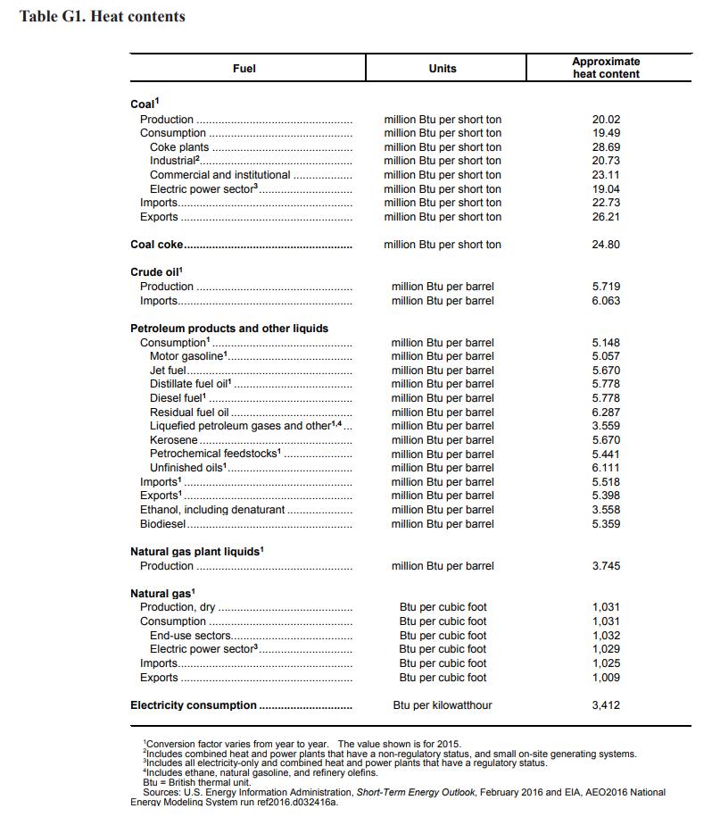
Finished motor gasoline (BTU per gallon) | 124340
Unfinished motor gasoline (BTU per gallon) | 120405
Diesel fuel (BTU per gallon) | 137571
Natural gas (BTU per scf) | 1032
Jet fuel (BTU per gallon) | 135000
Residual fuel oil (BTU per gal) | 149690
LPG (BTU per gal) | 84738

Gallons per barrel | 42

